Picture
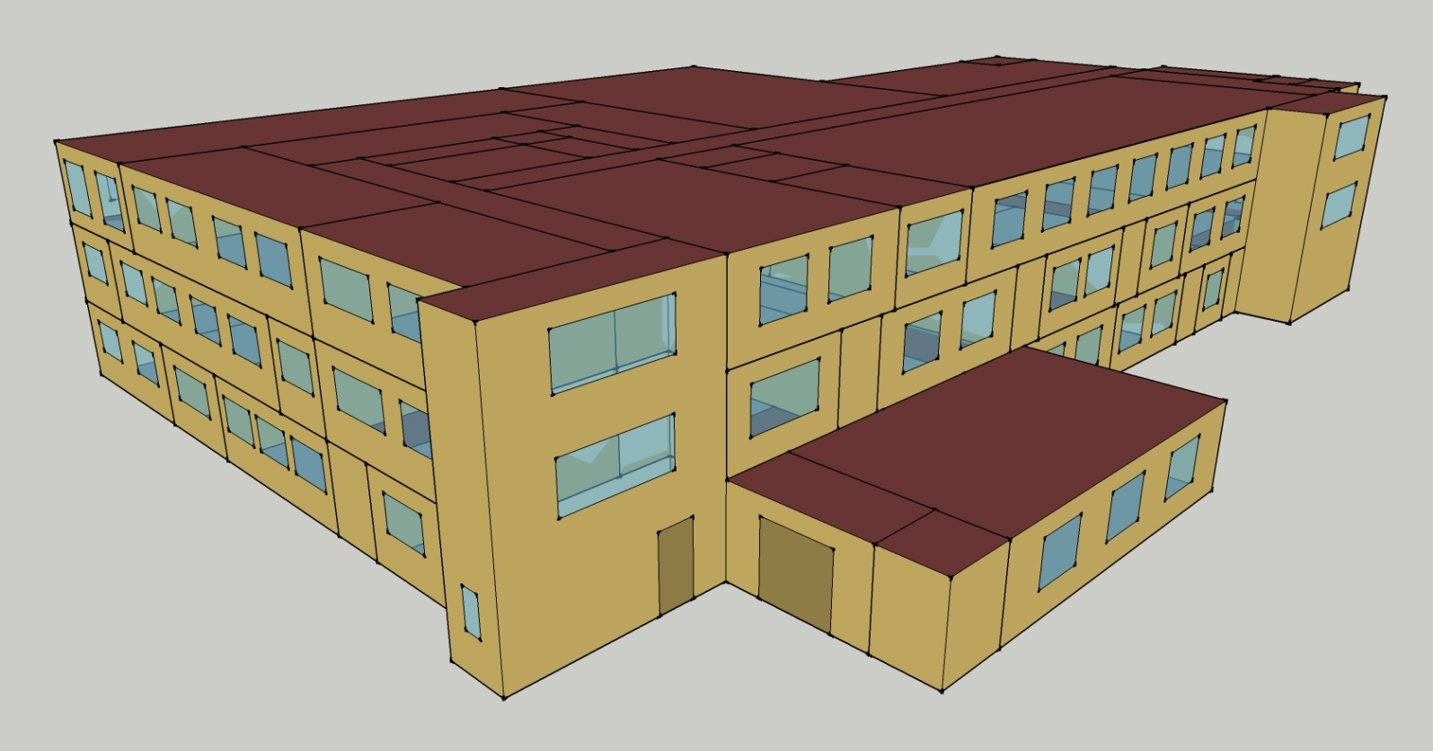
DOE Commercial Building Benchmark - Outpatient Health Care

Elec
 | Cooling | Interior Lighting | Exterior Lighting | Interior Equipment | Fans
Miami | 834,647.22 | 221,016.67 | 74,091.67 | 499,777.78 | 295,391.67
Houston | 648,575.00 | 221,016.67 | 74,063.89 | 499,777.78 | 265,569.44
Phoenix | 655,994.44 | 221,016.67 | 74,050.00 | 499,777.78 | 285,658.33
Atlanta | 502,066.67 | 221,016.67 | 74,038.89 | 499,777.78 | 265,500.00
Los Angeles | 449,238.89 | 221,016.67 | 73,983.33 | 499,777.78 | 269,791.67
Las Vegas | 529,458.33 | 221,016.67 | 73,966.67 | 499,777.78 | 278,952.78
San Francisco | 299,855.56 | 221,016.67 | 74,005.56 | 499,777.78 | 243,766.67
Baltimore | 417,052.78 | 221,016.67 | 73,961.11 | 499,777.78 | 251,680.56
Albuquerque | 365,055.56 | 221,016.67 | 73,988.89 | 499,777.78 | 288,844.44
Seattle | 273,858.33 | 221,016.67 | 73,841.67 | 499,777.78 | 250,872.22
Chicago | 336,661.11 | 221,016.67 | 73,972.22 | 499,777.78 | 253,883.33
Boulder | 296,691.67 | 221,016.67 | 73,927.78 | 499,777.78 | 281,280.56
Minneapolis | 298,544.44 | 221,016.67 | 73,922.22 | 499,777.78 | 253,455.56
Helena | 238,769.44 | 221,016.67 | 73,905.56 | 499,777.78 | 267,661.11
Duluth | 203,872.22 | 221,016.67 | 73,863.89 | 499,777.78 | 250,058.33
Fairbanks | 146,863.89 | 221,016.67 | 73,411.11 | 499,777.78 | 246,744.44

Gas
 | Heating | Water Systems
Miami | 2,778,310.00 | 28,810.00
Houston | 3,041,030.00 | 34,370.00
Phoenix | 3,296,200.00 | 31,140.00
Atlanta | 3,403,580.00 | 39,730.00
Los Angeles | 3,665,620.00 | 38,690.00
Las Vegas | 3,167,940.00 | 34,980.00
San Francisco | 3,508,990.00 | 43,280.00
Baltimore | 3,481,260.00 | 43,930.00
Albuquerque | 3,146,490.00 | 43,120.00
Seattle | 3,689,280.00 | 46,130.00
Chicago | 3,699,140.00 | 47,650.00
Boulder | 3,261,640.00 | 47,460.00
Minneapolis | 3,872,850.00 | 50,860.00
Helena | 3,557,370.00 | 51,440.00
Duluth | 3,982,480.00 | 56,140.00
Fairbanks | 4,995,550.00 | 62,520.00

EUI
 | Cooling (elec) | Interior Lighting (elec) | Exterior Lighting (elec) | Interior Equipment (elec) | Fans (elec) | Heating (gas) | Water Systems (gas)
Miami | 789.88 | 209.16 | 70.12 | 472.97 | 279.55 | 730.36 | 7.57
Houston | 613.79 | 209.16 | 70.09 | 472.97 | 251.33 | 799.43 | 9.04
Phoenix | 620.81 | 209.16 | 70.08 | 472.97 | 270.34 | 866.51 | 8.19
Atlanta | 475.14 | 209.16 | 70.07 | 472.97 | 251.26 | 894.73 | 10.44
Los Angeles | 425.15 | 209.16 | 70.02 | 472.97 | 255.32 | 963.62 | 10.17
Las Vegas | 501.06 | 209.16 | 70.00 | 472.97 | 263.99 | 832.79 | 9.20
San Francisco | 283.77 | 209.16 | 70.04 | 472.97 | 230.69 | 922.44 | 11.38
Baltimore | 394.69 | 209.16 | 69.99 | 472.97 | 238.18 | 915.16 | 11.55
Albuquerque | 345.48 | 209.16 | 70.02 | 472.97 | 273.35 | 827.15 | 11.34
Seattle | 259.17 | 209.16 | 69.88 | 472.97 | 237.42 | 969.84 | 12.13
Chicago | 318.61 | 209.16 | 70.01 | 472.97 | 240.27 | 972.43 | 12.53
Boulder | 280.78 | 209.16 | 69.96 | 472.97 | 266.20 | 857.42 | 12.48
Minneapolis | 282.53 | 209.16 | 69.96 | 472.97 | 239.86 | 1018.10 | 13.37
Helena | 225.96 | 209.16 | 69.94 | 472.97 | 253.31 | 935.16 | 13.52
Duluth | 192.94 | 209.16 | 69.90 | 472.97 | 236.65 | 1046.92 | 14.76
Fairbanks | 138.99 | 209.16 | 69.47 | 472.97 | 233.51 | 1313.23 | 16.44

Water
 | Total Building | Water for Electricity (m3)
Miami | 242.62 | 1,030.65
Houston | 268.40 | 2,878.20
Phoenix | 353.56 | 55,242.40
Atlanta | 319.77 | 10,484.50
Los Angeles | 270.34 | 27,682.90
Las Vegas | 478.74 | 50,067.20
San Francisco | 255.69 | 24,588.90
Baltimore | 364.81 | 369.29
Albuquerque | 484.65 | 7,631.39
Seattle | 292.03 | 14,696.90
Chicago | 390.31 | 2,459.32
Boulder | 493.83 | 7,355.49
Minneapolis | 429.00 | 2,456.34
Helena | 483.80 | 99,037.70
Duluth | 474.98 | 2,376.37
Fairbanks | 566.46 | 1,636.21

Carbon
 | Carbon Equivalent (kg)
Miami | 587,572.66
Houston | 648,888.49
Phoenix | 624,807.35
Atlanta | 582,758.50
Los Angeles | 254,455.35
Las Vegas | 676,683.73
San Francisco | 231,120.03
Baltimore | 505,900.33
Albuquerque | 747,446.75
Seattle | 175,528.31
Chicago | 916,100.92
Boulder | 724,781.55
Minneapolis | 616,092.96
Helena | 639,829.63
Duluth | 600,521.26
Fairbanks | 545,247.79

LghtSch
Lighting Schedules
 | Weekdays, CDD | Saturday | Sun, Hol, Other
 | 0.1 | 0.1 | 0.05
 | 0.1 | 0.1 | 0.05
 | 0.1 | 0.1 | 0.05
 | 0.1 | 0.1 | 0.05
 | 0.3 | 0.1 | 0.05
 | 0.3 | 0.1 | 0.05
 | 0.6 | 0.1 | 0.05
 | 0.9 | 0.3 | 0.05
 | 0.9 | 0.3 | 0.1
 | 0.9 | 0.4 | 0.1
 | 0.9 | 0.4 | 0.1
 | 0.9 | 0.4 | 0.1
 | 0.9 | 0.4 | 0.1
 | 0.9 | 0.4 | 0.1
 | 0.9 | 0.4 | 0.1
 | 0.9 | 0.3 | 0.1
 | 0.9 | 0.3 | 0.1
 | 0.9 | 0.3 | 0.05
 | 0.6 | 0.3 | 0.05
 | 0.6 | 0.3 | 0.05
 | 0.3 | 0.1 | 0.05
 | 0.3 | 0.1 | 0.05
 | 0.1 | 0.1 | 0.05
 | 0.1 | 0.1 | 0.05

EqpSch
Equipment Schedules
 | Weekdays, CDD | Saturday | Sun, Hol, Other
 | 0.3 | 0.3 | 0.3
 | 0.3 | 0.3 | 0.3
 | 0.3 | 0.3 | 0.3
 | 0.3 | 0.3 | 0.3
 | 0.5 | 0.3 | 0.3
 | 0.5 | 0.3 | 0.3
 | 1 | 0.3 | 0.3
 | 1 | 0.5 | 0.3
 | 1 | 0.5 | 0.5
 | 1 | 0.8 | 0.5
 | 1 | 0.8 | 0.5
 | 1 | 0.8 | 0.5
 | 1 | 0.8 | 0.5
 | 1 | 0.8 | 0.5
 | 1 | 0.8 | 0.5
 | 1 | 0.5 | 0.5
 | 1 | 0.5 | 0.5
 | 1 | 0.5 | 0.3
 | 0.5 | 0.5 | 0.3
 | 0.5 | 0.5 | 0.3
 | 0.3 | 0.3 | 0.3
 | 0.3 | 0.3 | 0.3
 | 0.3 | 0.3 | 0.3
 | 0.3 | 0.3 | 0.3

OccSch
Occupancy Schedules
 | Weekdays, CDD | Saturday | Sun, Hol, Other
 | 0.05 | 0.05 | 0
 | 0.05 | 0.05 | 0
 | 0.05 | 0.05 | 0
 | 0.05 | 0.05 | 0
 | 0.2 | 0.05 | 0
 | 0.2 | 0.05 | 0
 | 0.5 | 0.05 | 0
 | 0.9 | 0.2 | 0
 | 0.9 | 0.2 | 0.05
 | 0.9 | 0.3 | 0.05
 | 0.9 | 0.3 | 0.05
 | 0.9 | 0.3 | 0.05
 | 0.9 | 0.3 | 0.05
 | 0.9 | 0.3 | 0.05
 | 0.9 | 0.3 | 0.05
 | 0.9 | 0.2 | 0.05
 | 0.9 | 0.2 | 0.05
 | 0.9 | 0.2 | 0
 | 0.5 | 0.2 | 0
 | 0.5 | 0.2 | 0
 | 0.2 | 0.05 | 0
 | 0.2 | 0.05 | 0
 | 0.05 | 0.05 | 0
 | 0.05 | 0.05 | 0

HeatSch
Heating Set Point Schedules
 | Weekdays, CDD | Saturday, HDD | Sun, Hol, Other | Operating Rms
 | 18.3 | 18.3 | 18.3 | 18.3
 | 18.3 | 18.3 | 18.3 | 18.3
 | 18.3 | 18.3 | 18.3 | 18.3
 | 18.3 | 18.3 | 18.3 | 18.3
 | 18.3 | 18.3 | 18.3 | 18.3
 | 21.1 | 18.3 | 18.3 | 18.3
 | 21.1 | 18.3 | 18.3 | 18.3
 | 21.1 | 21.1 | 18.3 | 18.3
 | 21.1 | 21.1 | 18.3 | 18.3
 | 21.1 | 21.1 | 18.3 | 18.3
 | 21.1 | 21.1 | 18.3 | 18.3
 | 21.1 | 21.1 | 18.3 | 18.3
 | 21.1 | 21.1 | 18.3 | 18.3
 | 21.1 | 21.1 | 18.3 | 18.3
 | 21.1 | 21.1 | 18.3 | 18.3
 | 21.1 | 18.3 | 18.3 | 18.3
 | 21.1 | 18.3 | 18.3 | 18.3
 | 21.1 | 18.3 | 18.3 | 18.3
 | 18.3 | 18.3 | 18.3 | 18.3
 | 18.3 | 18.3 | 18.3 | 18.3
 | 18.3 | 18.3 | 18.3 | 18.3
 | 18.3 | 18.3 | 18.3 | 18.3
 | 18.3 | 18.3 | 18.3 | 18.3
 | 18.3 | 18.3 | 18.3 | 18.3

CoolSch
Cooling Set Point Schedules
 | Weekdays, CDD | Saturday, HDD | Sun, Hol, Other | Operating Rms
 | 25 | 25 | 25 | 22.2
 | 25 | 25 | 25 | 22.2
 | 25 | 25 | 25 | 22.2
 | 25 | 25 | 25 | 22.2
 | 25 | 25 | 25 | 22.2
 | 22.2 | 25 | 25 | 22.2
 | 22.2 | 25 | 25 | 18.3
 | 22.2 | 22.2 | 25 | 18.3
 | 22.2 | 22.2 | 25 | 18.3
 | 22.2 | 22.2 | 25 | 18.3
 | 22.2 | 22.2 | 25 | 18.3
 | 22.2 | 22.2 | 25 | 18.3
 | 22.2 | 22.2 | 25 | 18.3
 | 22.2 | 22.2 | 25 | 18.3
 | 22.2 | 22.2 | 25 | 18.3
 | 22.2 | 25 | 25 | 18.3
 | 22.2 | 25 | 25 | 18.3
 | 22.2 | 25 | 25 | 22.2
 | 25 | 25 | 25 | 22.2
 | 25 | 25 | 25 | 22.2
 | 25 | 25 | 25 | 22.2
 | 25 | 25 | 25 | 22.2
 | 25 | 25 | 25 | 22.2
 | 25 | 25 | 25 | 22.2

